ITP-003
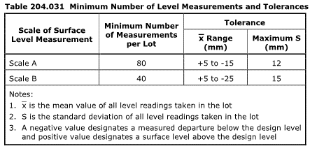
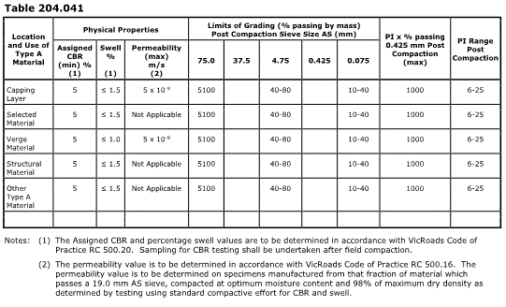
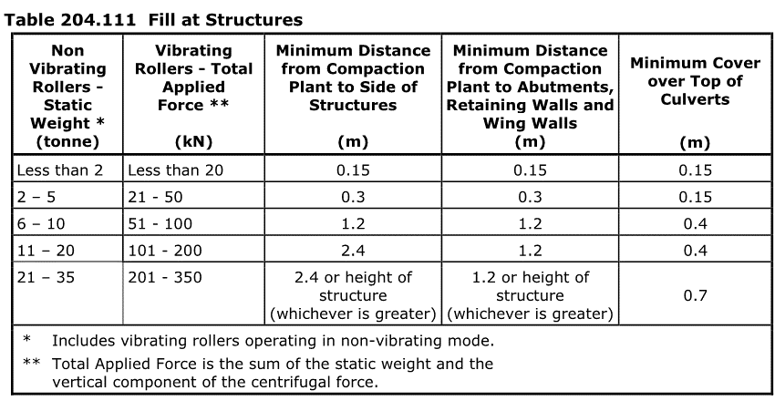
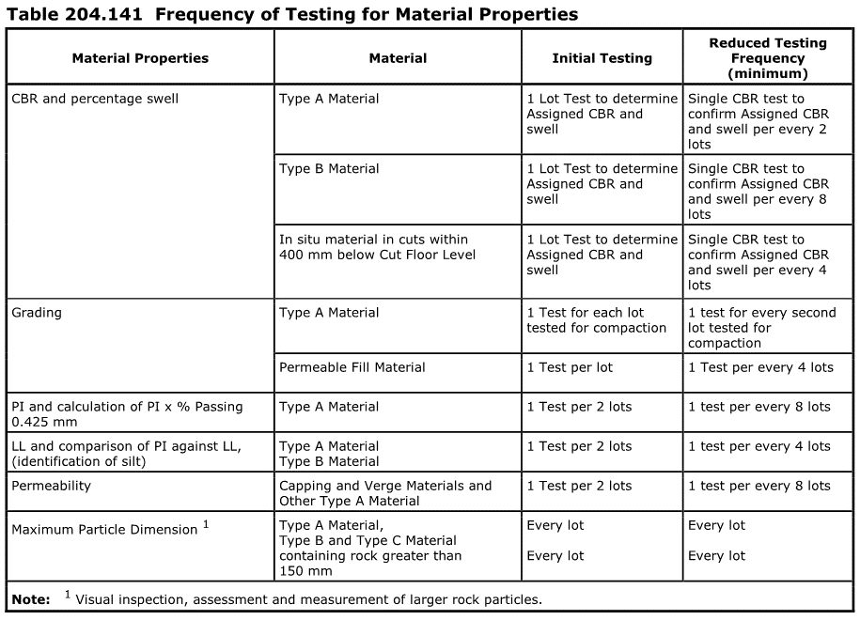
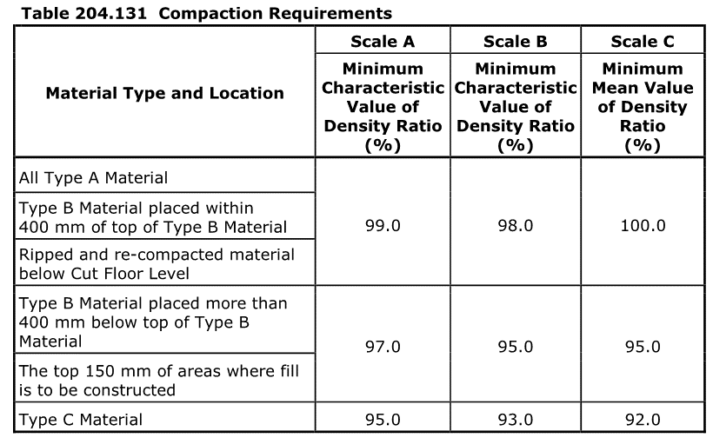
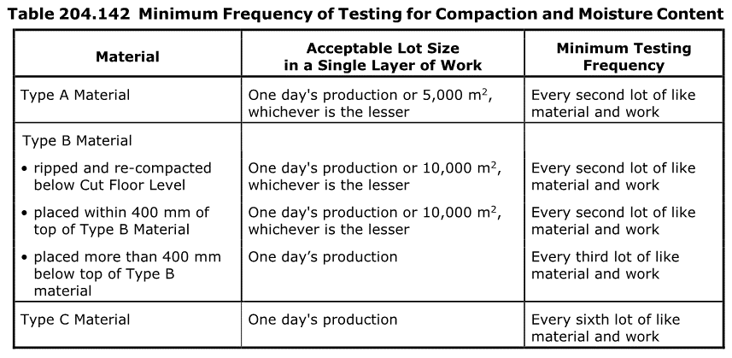
 |  |  | Inspection and Test Plan - Control and Supervision of the Works |  |  |  |  |  |  |  | Document # ITP-003
 |  |  |  |  |  |  |  |  |  |  | Revision : 0 | Date : 05/08/24

Client: |  | Department of State Growth |  | Construction Process: |  | Prepared by: |  | Reviewed by : |  |  | Approved by :
Project: |  | Davey To Macquarie Street Connection - Roadworks |  | Preparation of subgrade, demolition of existing concrete and asphalt |  | Name: | Mileva Savic | Name: |  |  | Name: | Sam Arnold
 |  |  |  | Specifications: Specifications Section 204, Contract Specific Clauses, EMP, TMS
Contract No: |  | 3741 |  | Structure / Component: Pavement |  | Signed : |  | Signed : |  |  | Signed :
 |  |  |  | Location: Davey to Macquarie - CH9768 to CH10240 |  | Date : |  | Date : |  |  | Date :

Lot No: |  |  | Lot Details: |  |  |  |  |  | Lot Size/ Quantity:

Item | Task/Activity Description |  | Inspection / Controls and Verification Detail |  |  |  |  | HP/ WP/ AP/ IP/ TP/ SCP | Responsibility | Checked by:
No. |  |  | Frequency | Acceptance Criteria | Reference Documents | Inspection / Test Method | Record of conformity |  | Project Engineer Site Engineer Superintendent Surveyor Foreman | Client | Fulton Hogan | Independent QA Verifier | Date
1 | Preliminary Works
1.1 | Check for correct documentation |  | Prior to commencing any activity | Ensure that all employees and subcontractors are: - using the correct and complete set of drawings -all drawings are the latest revision | Drawings and drawing registers | Visual inspection | This ITP signed off | HP* | Site Engineer / Site Foreman | N/A |  | N/A
1.2 | Implementation of all measures and controls |  | Prior to commencing any activity | All necessary measures and controls are being implemented, that is: PMP, EMP, TMP, JSEA, SWMS & Work Pack | PMP, EMP, TMP, JSEA, SWMS, Work Pack | Visual Inspection | This ITP signed off | HP* | Site Engineer / Site Foreman | N/A |  | N/A
2 | Construction Works
2.1 | Survey Set-Out |  | Prior to commencement of excavation | Area has been set out in accordance with the drawings | Work Procedure | Verify | This ITP signed off | IP | Site Engineer/ Surveyor | N/A |  | N/A
2.2 | Excavation Permit |  | Each lot | An excavation permit must be issued prior to any excavation commencing. Plant and equipment shall be appropriate for the task. Excavation operations shall not disturb areas outside the limit of excavation | Excavation permit | Verify | This ITP Signed Off | HP* | Site Engineer | N/A |  | N/A
2.3 | Material Categorisation |  | Each lot | HOLD POINT Prior to commencing excavation in any area and during excavation work, the Superintendent and the Contractor shall inspect each type of material encountered and subject to verification by appropriate laboratory testing, agree on the category of the material in accordance with Clause 204.04 | 204.06(c) | Verify | This ITP Signed Off | HP | Site Engineer/ Superintendent |  |  | N/A
2.4 | Stripping of Topsoil |  | Each lot | Topsoil stripped to full width of the formation and placed in approved stockpile location. Stockpile shaped to shed water and stripped surfaces graded to be self draining. Topsoil shall not be removed from site unless approved by the superintendent. | 204.05 | Visual inspection | This ITP Signed Off | IP | Site Engineer | N/A |  | N/A
2.5 | Type A Material |  | Prior to Commencing | Type A material shall comply with the requirements of Table 204.041 and shall be free of topsoil, deleterious and/or perishable matter. HOLD POINT Material classified as silt, either before or after compaction, is not acceptable as Type A material without stablisation to the satisfaction of the Superintendent. | 204.04(b) | Document Review | Superintendent satisfied with Stabilisation Signed ITP/ records | HP | Site Engineer/ Superintendent |  |  | N/A
2.5 | Type B Material |  | Each Lot | Type B material shall be free of topsoil, deleterious and/or perishable matter. Type B shall have a minimum assigned CBR >5% and Assigned Percent Swell < 2.5%. Materials with swell greater than 2.5% can only be used as Type B material if approved by the superintendent. | 204.04(c) | Test Point | Test Reports | IP | Site Engineer / Superintendent | N/A |  | N/A
2.6 | Acceptance of Rock Subgrade (when applicable) |  | Prior construction of the regulating layer | HOLD POINT Prior to construction of the regulating layer, the areas of rock subgrade shall be presented to the Superintendent for acceptance. Any necessary amendments to the subsurface drainage design including transverse subsurface drainage at the interfaces shall be presented to Superintendent for review. | 204.06(f) | Site Inspection/ Document Review | Superintendent acceptance Signed ITP | HP | Site Engineer/ Superintendent |  |  | N/A
2.7 | Unsuitable Material |  | Each Lot | HOLD POINT Where Unsuitable material is encountered, proposed in-situ treatment must be submitted to the superintendent for review. | 204.07(d) | Visual Inspection | This ITP Signed Off, Work Procedure | HP | Site Engineer/ Superintendent |  |  | N/A
2.8 | Groundwater |  | Each Lot | HOLD POINT Where groundwater is encountered the contractor shall notify the superintendent and submit proposed action for review. The Contractor shall submit any necessary approvals from relevant authorities for the treatment and disposal of this groundwater | 204.06 (h) | Visual inspection | This ITP signed off, Work Procedure | HP | Site Engineer/ Superintendent |  |  | N/A
2.9 | Trimming and Level conformity |  | Each Lot | The level at any point on the subgrade shall not lie more than 20 mm below a 3 m straightedge laid in any direction, except across a crown and water shall not pond at any point. Level tolerances: Range x = +5, -15mm Max S = 12 mm 80 measurements per lot (Scale A) Range x = +5, -25mm Max S = 15 mm 40 measurements per lot (Scale B) | 204.03(f)(g)(h) | Survey Report | Survey Record | SCP | Site Engineer/ Surveyor | N/a |  | N/A
3 | Testing
3.1 | Proof Rolling |  | Each Lot | Proof rolls to be conducted in accordance with Section 173, before proceeding to subbase construction. The Contractor shall submit a test rolling procedure to the Superintendent including the method of preparing an area for test rolling, the extent of test rolling and a requirement to provide not less than 24 hours notice of the location and commencement time for the test rolling to the Superintendent. | 173.03, 204.12 | Visual Inspection | This ITP signed off | HP* WP | Site Engineer/ QAV | N/A
3.2 | Compaction Testing |  | Each Lot | Ripped and re-compacted material below Cut Floor Level = minimum compaction 99% MDD. Type B Material placed within 400 mm of top of Type B Material = minimum compaction 99% MDD. Type B material 400mm below the top of Type B material and Top 150mm of where fill is to be constructed = minimum compaction 97% MDD. | Table 204.131 | Test Point | Test Records Lot Register | TP | Site Engineer | N/A |  | N/A
3.3 | Materials Property Testing |  | Each Lot | Refer to Reference Documents for particular Frequency of Testing and Material Properties Testing Requirements. Table 204.161 for Project Specific Scales for each applicable Road Name or Area. | Tables 204.141, 204.142, 204.161 | Verify | This ITP Signed, Test Records | TP | Site Engineer | N/A |  | N/A

 | Final Inspection
 | The signature below verifies that this ITP has been completed in accordance with the FH’s Quality system Procedures and verifies lot compliance with specifications.
 | Print Name: |  | Position: |  | Signature: |  |  |  |  | Date: / /

Legend
HP | Hold Point | Work shall not proceed past the HP until released by the Superintendent |  |  | IP | Inspection point |  | Formal Inspection to be done and recorded
HP* | FH Hold Point | Work shall not proceed past the HP* until released by FH |  |  | TP | Test Point |  | Product compliance test to be undertaken and recorded/reported
WP | Witness Point | An inspection which must be witnessed by the Superintendent |  |  | SCP | Survey conformance point |  | A qualified surveyor to check product/section/structure and report
AP | Approval Point | Written or verbal approval given by the Superintendent

